Sheet1
Test case Name | Test case Description | Steps | Expected Result | Actual Result | Evidence -1 | Evidence -2
Creating Categories | All Categories and subcategories | 1)Open hmc | Categories and subcategories | In hmc we can see all the categories
 | should be created | 2)Click on Categories under Catalogs in hmc wizard | populating the database | listed under sapbasket product catalog
 |  | 3)Check under sapbasket catalog all the categories should be visible
 |  |  |  | 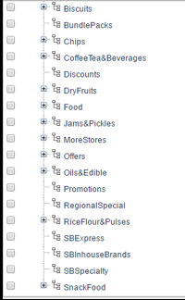
Creating Products and variants | Product needs to be created for | 1)Open hmc | Products assigned to the respective categories | In hmc products are listed under respective categories
 | each category | 2)Click on Products under Catalogs in hmc wizard | also defining the variants and properties | along with the product variants
 |  | 3)Check if products are listed in sapbasket product catalog

 |  |  |  |  | 